Marseille
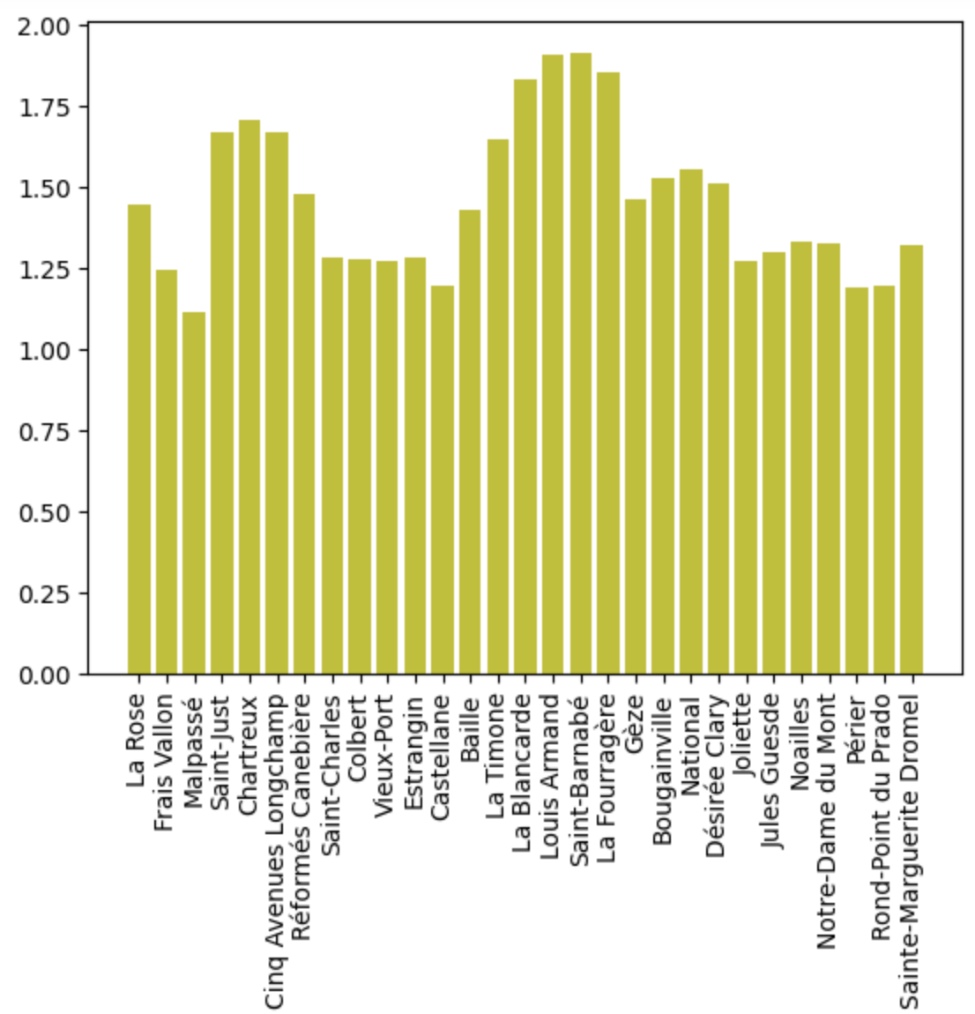
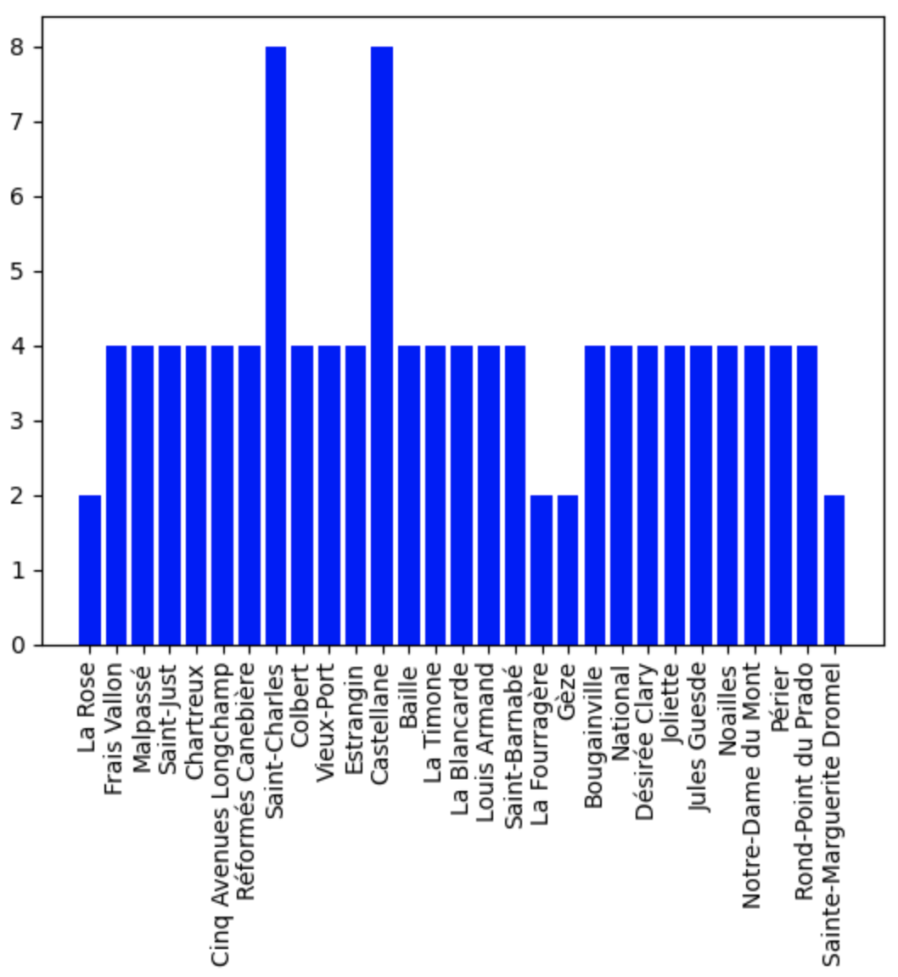
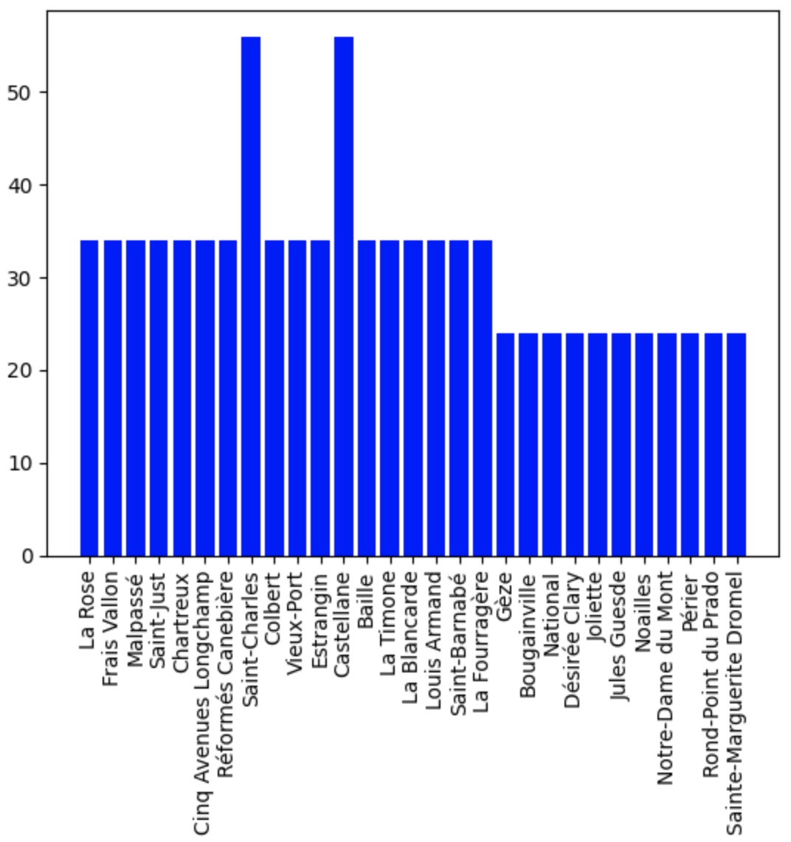
Duplicate this sheet, rename it after your city and add all the required indicators for other groups to use. |  |  |  |  |  | L-Space | P-Space
 |  |  |  |  |  | DEGREE
L-Space indicators
Network indicators |  | Centrality indicators
Number of nodes | 29 |  | Degree | Closeness | Betweenness
Number of links | 58 | Average | 4 | 0.171 | 0.1933
Diameter | 16 (22.67 min) | Standard deviation | 1.2865 | 0.0412 | 0.1582
Average shortest path | 6.2192 (529.37 s) | Minimum value | 2 | 0.1069 | 0
Connectivity (γ) | 0.716 | Maximum value | 8 | 0.2435 | 0.6349
Meshedness (α) | 0.566 | #1 most central node (label and value) | 8 (Castellance) | 0.2435 (Saint-Charles) | 0.6349 (Saint-Charles)
 |  | #2 most central node (label and value) | 8 (Saint-Charles) | 0.2353 (Noailles) | 0.5079 (Castellance)
 |  | #3 most central node (label and value) | 4 (Frais Vallon) | 0.2276 (Notre-Dame du Mont | 0.4101 (Noailles)

P-Space indicators
Network indicators |  | Centrality indicators
Number of nodes | 29 |  | Degree | Closeness | Betweenness
Number of links | 460 | Average | 31.7241 | 0.7065 | 0.016
Diameter | 2 | Standard deviation | 8.1321 | 0.0888 | 0.059
Average shortest path | 1.4335 | Minimum value | 24 | 0.6364 | 0
Connectivity (γ) | 5.679 | Maximum value | 56 | 1 | 0.2328
Meshedness (α) | 8.1509 | #1 most central node (label and value) | 56 (Noailles) | 1 (Saint-Charles) | 0.2328 (Saint-Charles)
 |  | #2 most central node (label and value) | 56 (Saint-Charles) | 1 (Noailles) | 0.2328 (Noailles)
 |  | #3 most central node (label and value) | 34 (Frais Vallon) | 0.718 (La Rose) | 0 (La Rose)

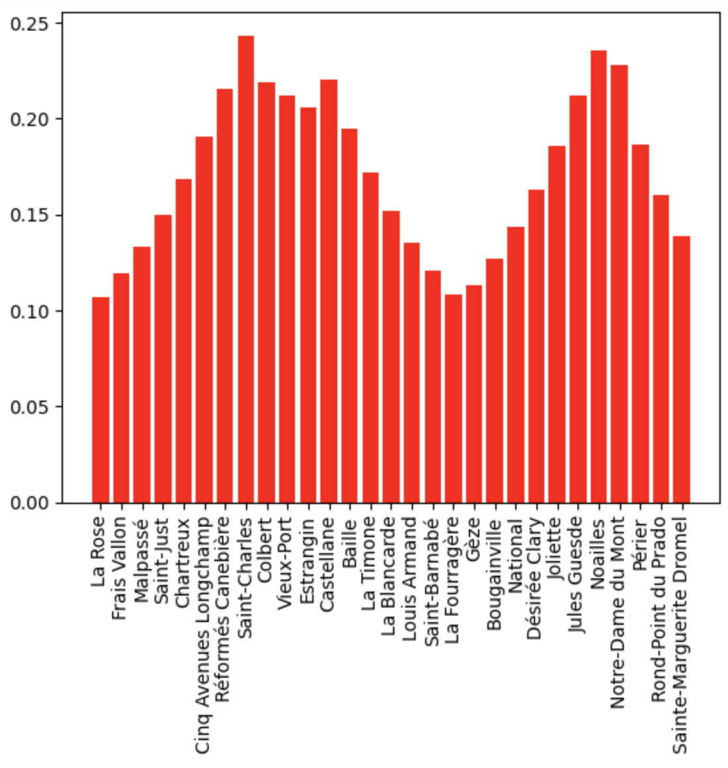
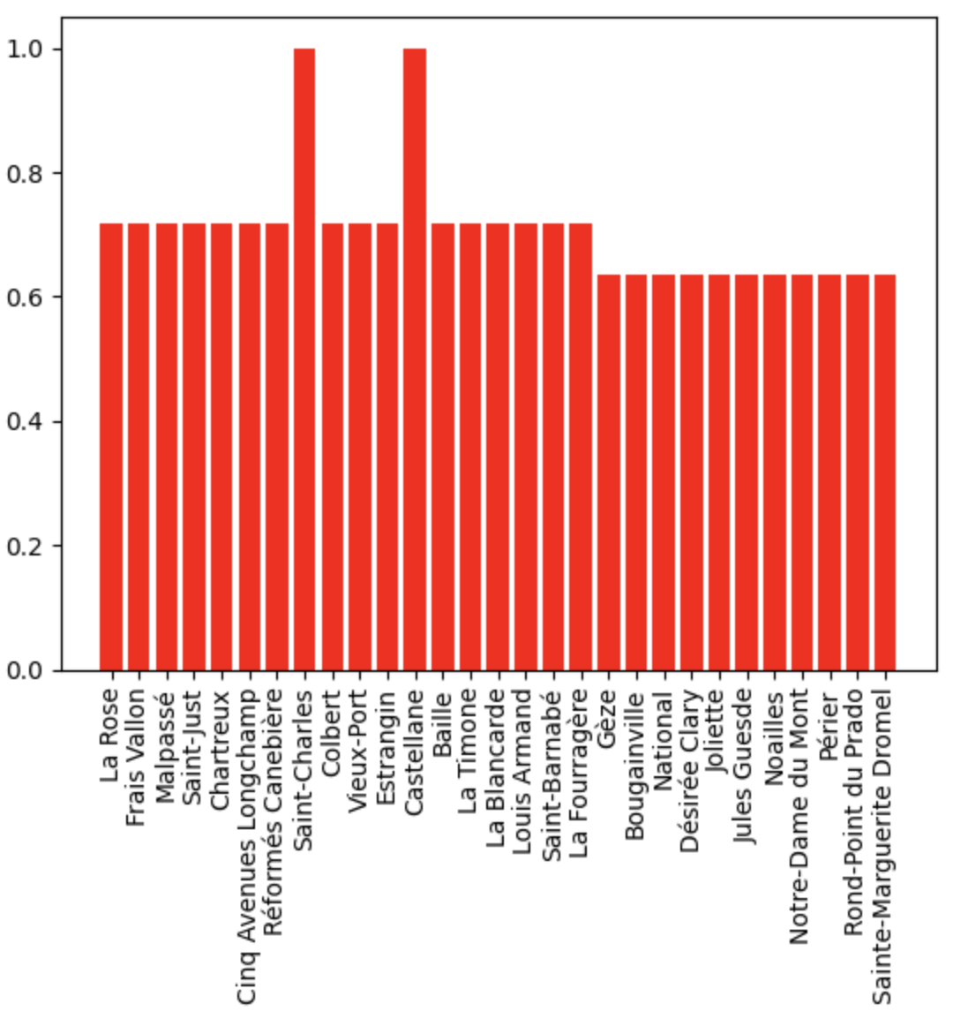
 |  |  |  |  |  | Closeness
Circuity

Average | 1.453
Standard deviation | 0.234
Minimum value | 1.11
Maximum value | 1.913
#1 most circuitious node (label and value) | 1.913 (Saint-Barnabe)
#2 most circuitious node (label and value) | 1.907 (Louis Armand)
#3 most circuitious node (label and value) | 1.85 (La Fourragere)
#1 least circuitious node (label and value) | 1.11 (Malpasse)
#2 least circuitious node (label and value) | 1.189 (Perier)
#3 least circuitious node (label and value) | 1.191 (Rond-Point du Prado)

 |  |  |  |  |  | Betweenness
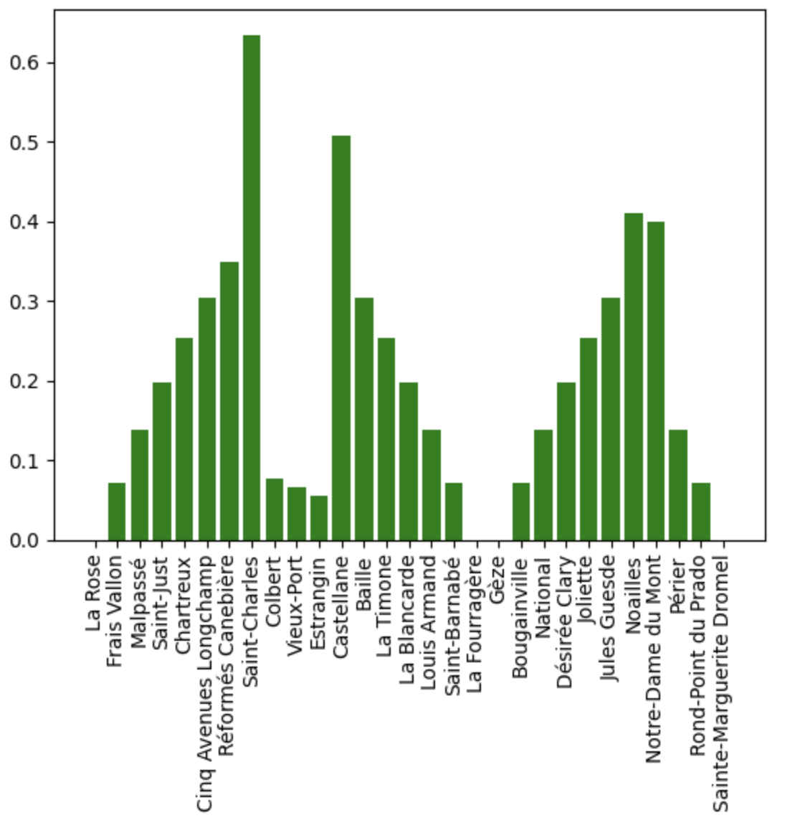
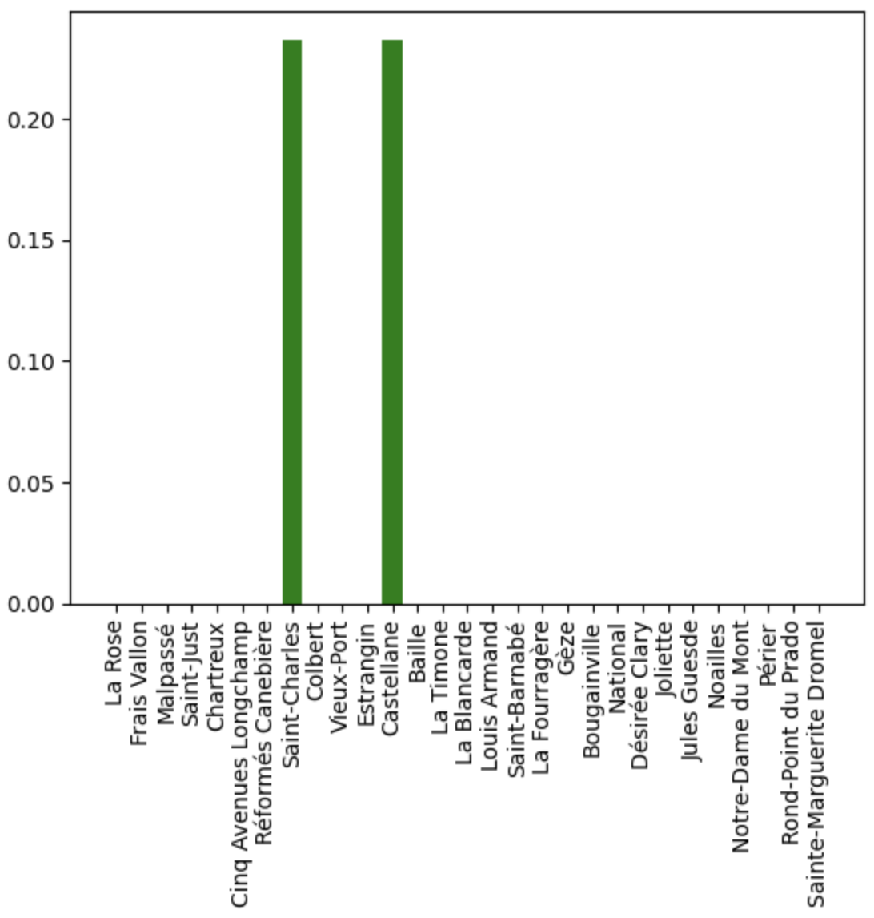

 |  |  |  |  |  | Circuity

Lille
Duplicate this sheet, rename it after your city and add all the required indicators for other groups to use.
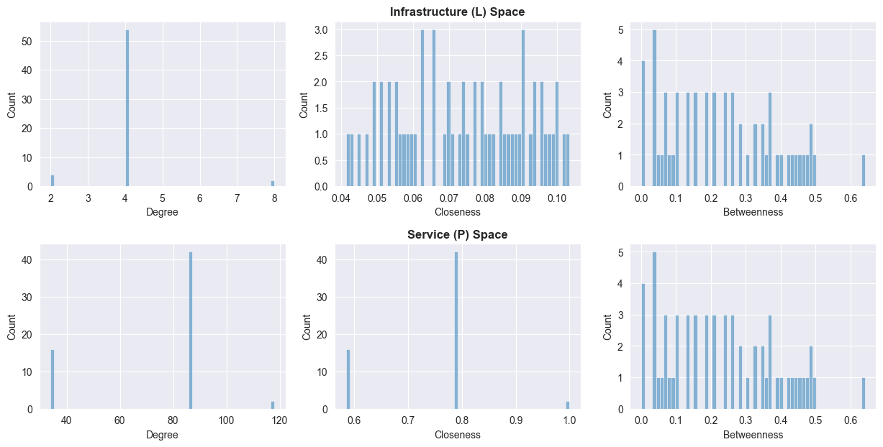
L-Space indicators
Network indicators |  | Centrality indicators
Number of nodes | 60 |  | Degree | Closeness | Betweenness | Degree (with centrality)
Number of links | 120 | Average | 4 | 0.074 | 0.23 | 0.0678
Diameter | 3196 | Standard deviation | 0.8944 | 0.017 | 0.161 | 0.015
Average shortest path | 1119.5 | Minimum value | 2 | 0.041 | 0 | 0.0338
Connectivity (γ) | 0.69 | Maximum value | 8 | 0.104 | 0.642 | 0.135
Meshedness (α) | 0.53 | #1 most central node (label and value) | 7 (Gare Lille Flandres), 8 | 7 (Gare Lille Flandres), 0.1035 | 7 (Gare Lille Flandres), 0.6417 | 7 (Gare Lille Flandres), 0.1356
 |  | #2 most central node (label and value) | 2 (Porte Des Postes), 8 | 34 (Lille Europe), 0.1021 | 34 (Lille Europe), 0.4968 | 2 (Porte Des Postes), 0.1356
 |  | #3 most central node (label and value) | 58 (Bourgogne), 4 | 35 (St Maurice Pellevoisin), 0.1003 | 35 (St Maurice Pellevoisin), 0.4909 | 58 (Bourgogne), 0.0678

P-Space indicators
Network indicators |  | Centrality indicators
Number of nodes | 60 |  | Degree | Closeness | Betweenness | Degree (with centrality)
Number of links | 2196 | Average | 73.2 | 0.74 | 0.0065 | 1.24
Diameter | 1 | Standard deviation | 24.32 | 0.101 | 0.035 | 0.412
Average shortest path | 0.37966 | Minimum value | 34 | 0.584 | 0 | 0.576
Connectivity (γ) | 12.62 | Maximum value | 118 | 1 | 0.196 | 2
Meshedness (α) | 18.58 | #1 most central node (label and value) | 7 (Gare Lille Flandres), 118 | 7 (Gare Lille Flandres), 1.0 | 7 (Gare Lille Flandres), 0.1964 | 7 (Gare Lille Flandres), 2.0
 |  | #2 most central node (label and value) | 2 (Porte Des Postes), 118 | 2 (Porte Des Postes), 1.0 | 2 (Porte Des Postes), 0.1964 | 2 (Porte Des Postes), 2.0
 |  | #3 most central node (label and value) | 59 (C.H. Dron), 86 | 59 (C.H. Dron), 0.7867 | 59 (C.H. Dron), 0.0 | 59 (C.H. Dron), 1.4576

Circuity

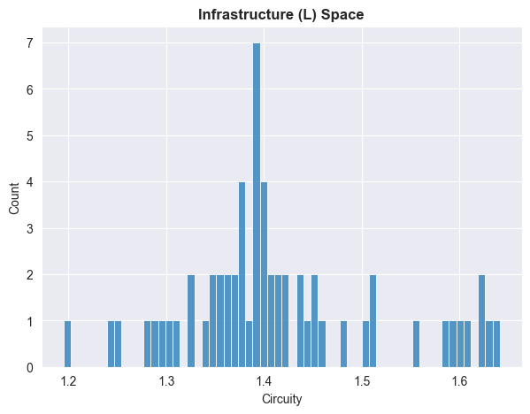
Average | 1.415
Standard deviation | 0.101
Minimum value | 1.195
Maximum value | 1.6412
#1 most circuitious node (label and value) | 13 (Pont De Bois), 1.641
#2 most circuitious node (label and value) | 12 (Square Flandres), 1.627
#3 most circuitious node (label and value) | 11 (Mairie D'Hellemmes), 1.626
#1 least circuitious node (label and value) | 2 (Porte Des Postes), 1.1950
#2 least circuitious node (label and value) | 1 (Chu-Centre O. Lambret), 1.240
#3 least circuitious node (label and value) | 7 (Gare Lille Flandres), 1.2497

Prague
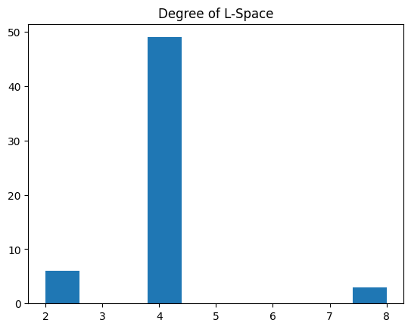
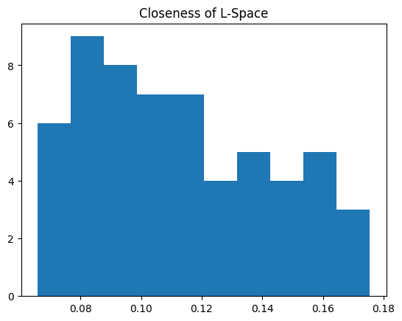
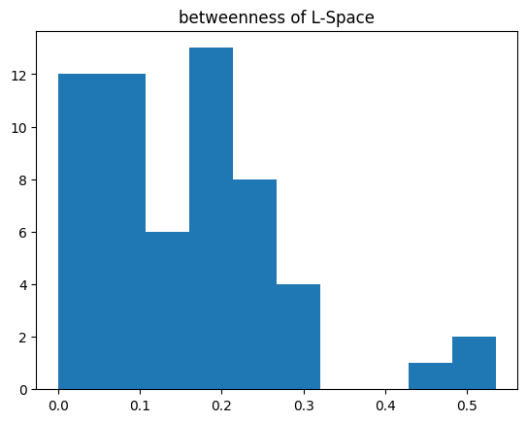
0
Network indicators |  | Centrality indicators
Number of nodes | 58 |  | Degree | Closeness | Betweenness
Number of links | 116 | Average | 4 | 0.1127 | 0.1519
Diameter | 23 | Standard deviation | 1.124 | 0.03 | 0.116
Average shortest path | 9.51 | Minimum value | 2 | 0.0659 | 0
Connectivity (γ) | 0.69 | Maximum value | 8 | 0.1754 | 0.5351
Meshedness (α) | 0.532 | #1 most central node (label and value) | 2309(Floranc) - 8 | 3419(Můstek) - 0.1754 | 3419(Můstek) - 0.5351
 |  | #2 most central node (label and value) | 1374(Muzeum) - 8 | 1374(Muzeum) - 0.1738 | 1374(Muzeum) - 0.4831
 |  | #3 most central node (label and value) | 3419(Můstek) - 8 | 1658(Náměstí Republiky) - 0.1647 | 2309(Floranc) - 0.4511

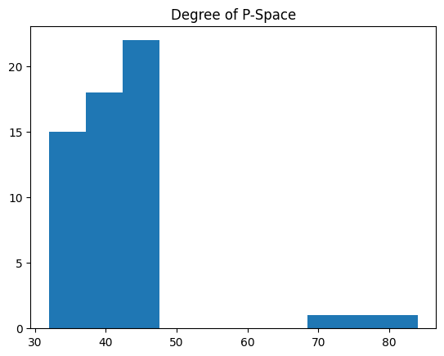
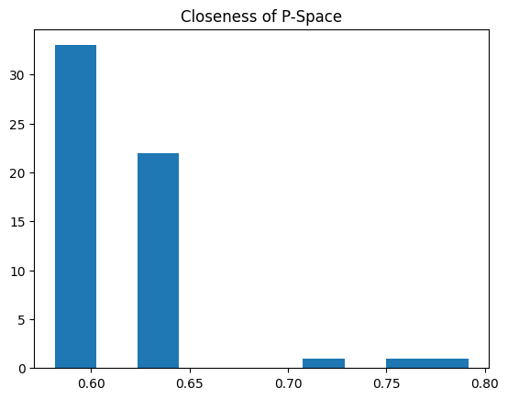
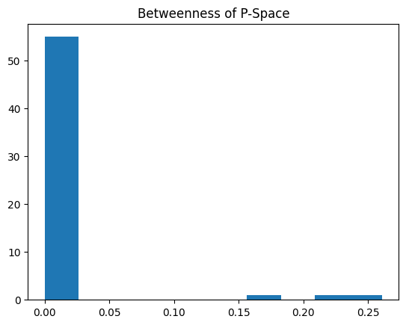
P-Space indicators
Network indicators |  | Centrality indicators
Number of nodes | 58 |  | Degree | Closeness | Betweenness
Number of links | 1204 | Average | 41.5172 | 0.6134 | 0.0114
Diameter | 2 | Standard deviation | 10.23 | 0.0391 | 0.0496
Average shortest path | 1.64 | Minimum value | 32 | 0.5816 | 0
Connectivity (γ) | 7.167 | Maximum value | 84 | 0.7917 | 0.2607
Meshedness (α) | 10.333 | #1 most central node (label and value) | 2309(Floranc) - 84 | 2309(Floranc) - 0.7917 | 2309(Floranc) - 0.2607
 |  | #2 most central node (label and value) | 3419(Můstek) - 78 | 3419(Můstek) - 0.7600 | 3419(Můstek) - 0.2184
 |  | #3 most central node (label and value) | 1374(Muzeum) - 70 | 1374(Muzeum) - 0.7215 | 1374(Muzeum) - 0.1795

Circuity
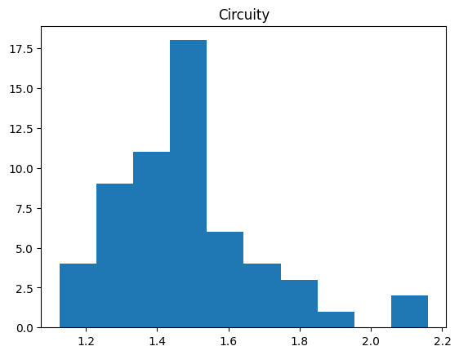
Average | 1.4889
Standard deviation | 0.2034
Minimum value | 1.1264
Maximum value | 2.1597
#1 most circuitious node (label and value) | 3212('Letňany') - 2.1598
#2 most circuitious node (label and value) | 3089(Skalka) - 2.0568
#3 most circuitious node (label and value) | 3414(Depo Hostivař) - 1.9284
#1 least circuitious node (label and value) | 2359(Staroměstská) - 1.1264
#2 least circuitious node (label and value) | 3419(Můstek) - 1.1475
#3 least circuitious node (label and value) | 2496(Křižíkova) - 1.1770

Nuremberg
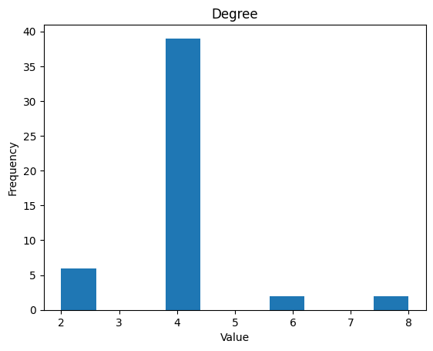
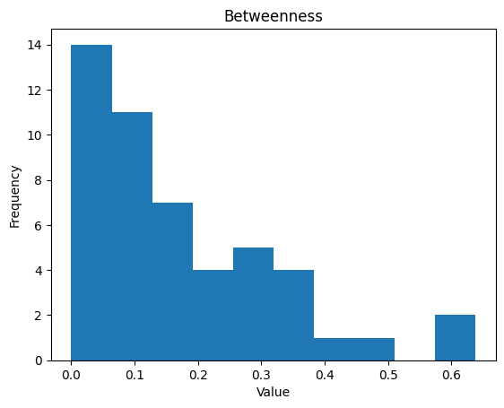
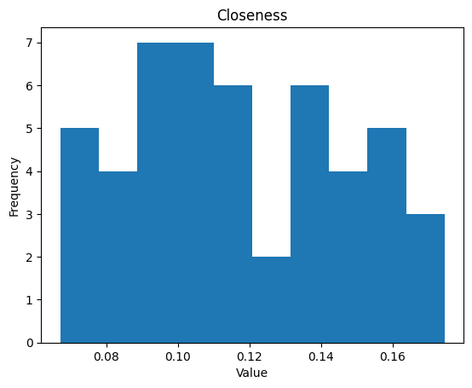
L-Space indicators
Network indicators |  | Centrality indicators
Number of nodes | 49 |  | Degree | Closeness | Betweenness
Number of links | 98 | Average | 4 | 0.116999 | 0.172981
Diameter | 2059 | Standard deviation | 1.154701 | 0.029819 | 0.153727
Average shortest path | 775.8 | Minimum value | 2 | 0.067133 | 0
Connectivity (γ) | 0.69503546099 | Maximum value | 8 | 0.174545 | 0.638298
Meshedness (α) | 0.5376344086 | #1 most central node (label and value) | 8 (9640) | 0.6383 (9474) | 0.1745 (9474)
 |  | #2 most central node (label and value) | 8 (9474) | 0.5824 (9640) | 0.1720 (9468)
 |  | #3 most central node (label and value) | 6 (9300) | 0.4654 (9468) | 0.1696 (9640)

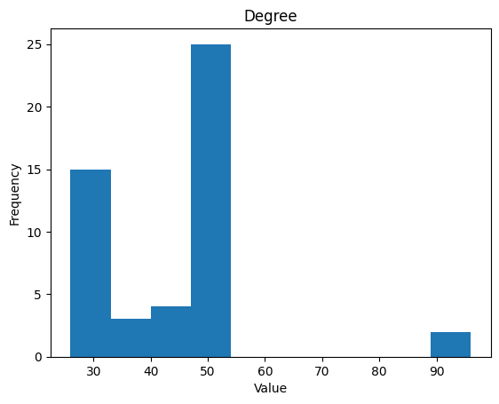
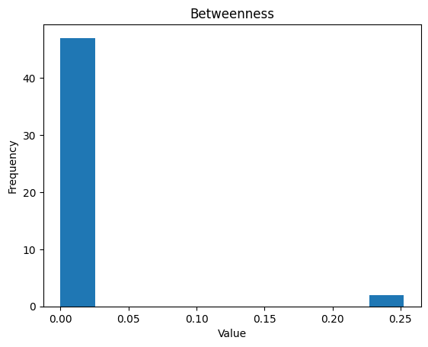
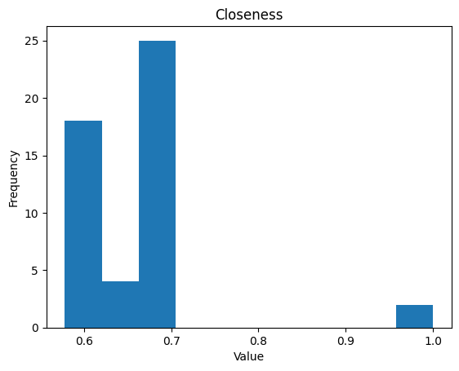
P-Space indicators
Network indicators |  | Centrality indicators
Number of nodes | 49 |  | Degree | Closeness | Betweenness
Number of links | 1110 | Average | 45.306122 | 0.662426 | 0.01123
Diameter | 2 | Standard deviation | 14.829874 | 0.082841 | 0.050345
Average shortest path | 1.5281 | Minimum value | 26 | 0.578313 | 0
Connectivity (γ) | 7.87 | Maximum value | 96 | 1 | 0.252512
Meshedness (α) | 11.419 | #1 most central node (label and value) | 96 (9640) | 1 (9640) | 0.2525 (9640)
 |  | #2 most central node (label and value) | 96 (9474) | 1 (9474) | 0.2525 (9474)
 |  | #3 most central node (label and value) | 52 (8063) | 0.6857 (8063) | 0.0087 (9651)

Circuity

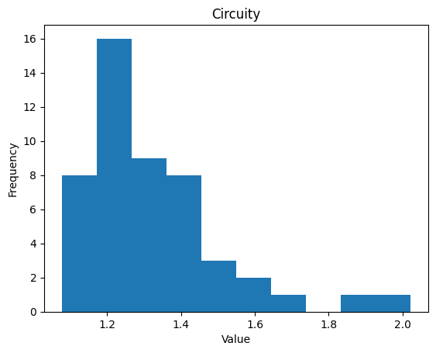
Average | 1.322518
Standard deviation | 0.188936
Minimum value | 1.076329
Maximum value | 2.02287
#1 most circuitious node (label and value) | 2.02287 (9291)
#2 most circuitious node (label and value) | 1.835714 (9282)
#3 most circuitious node (label and value) | 1.683557 (9247)
#1 least circuitious node (label and value) | 1.076329 (9474)
#2 least circuitious node (label and value) | 1.136768 (8743)
#3 least circuitious node (label and value) | 1.139464 (8739)

Vienna
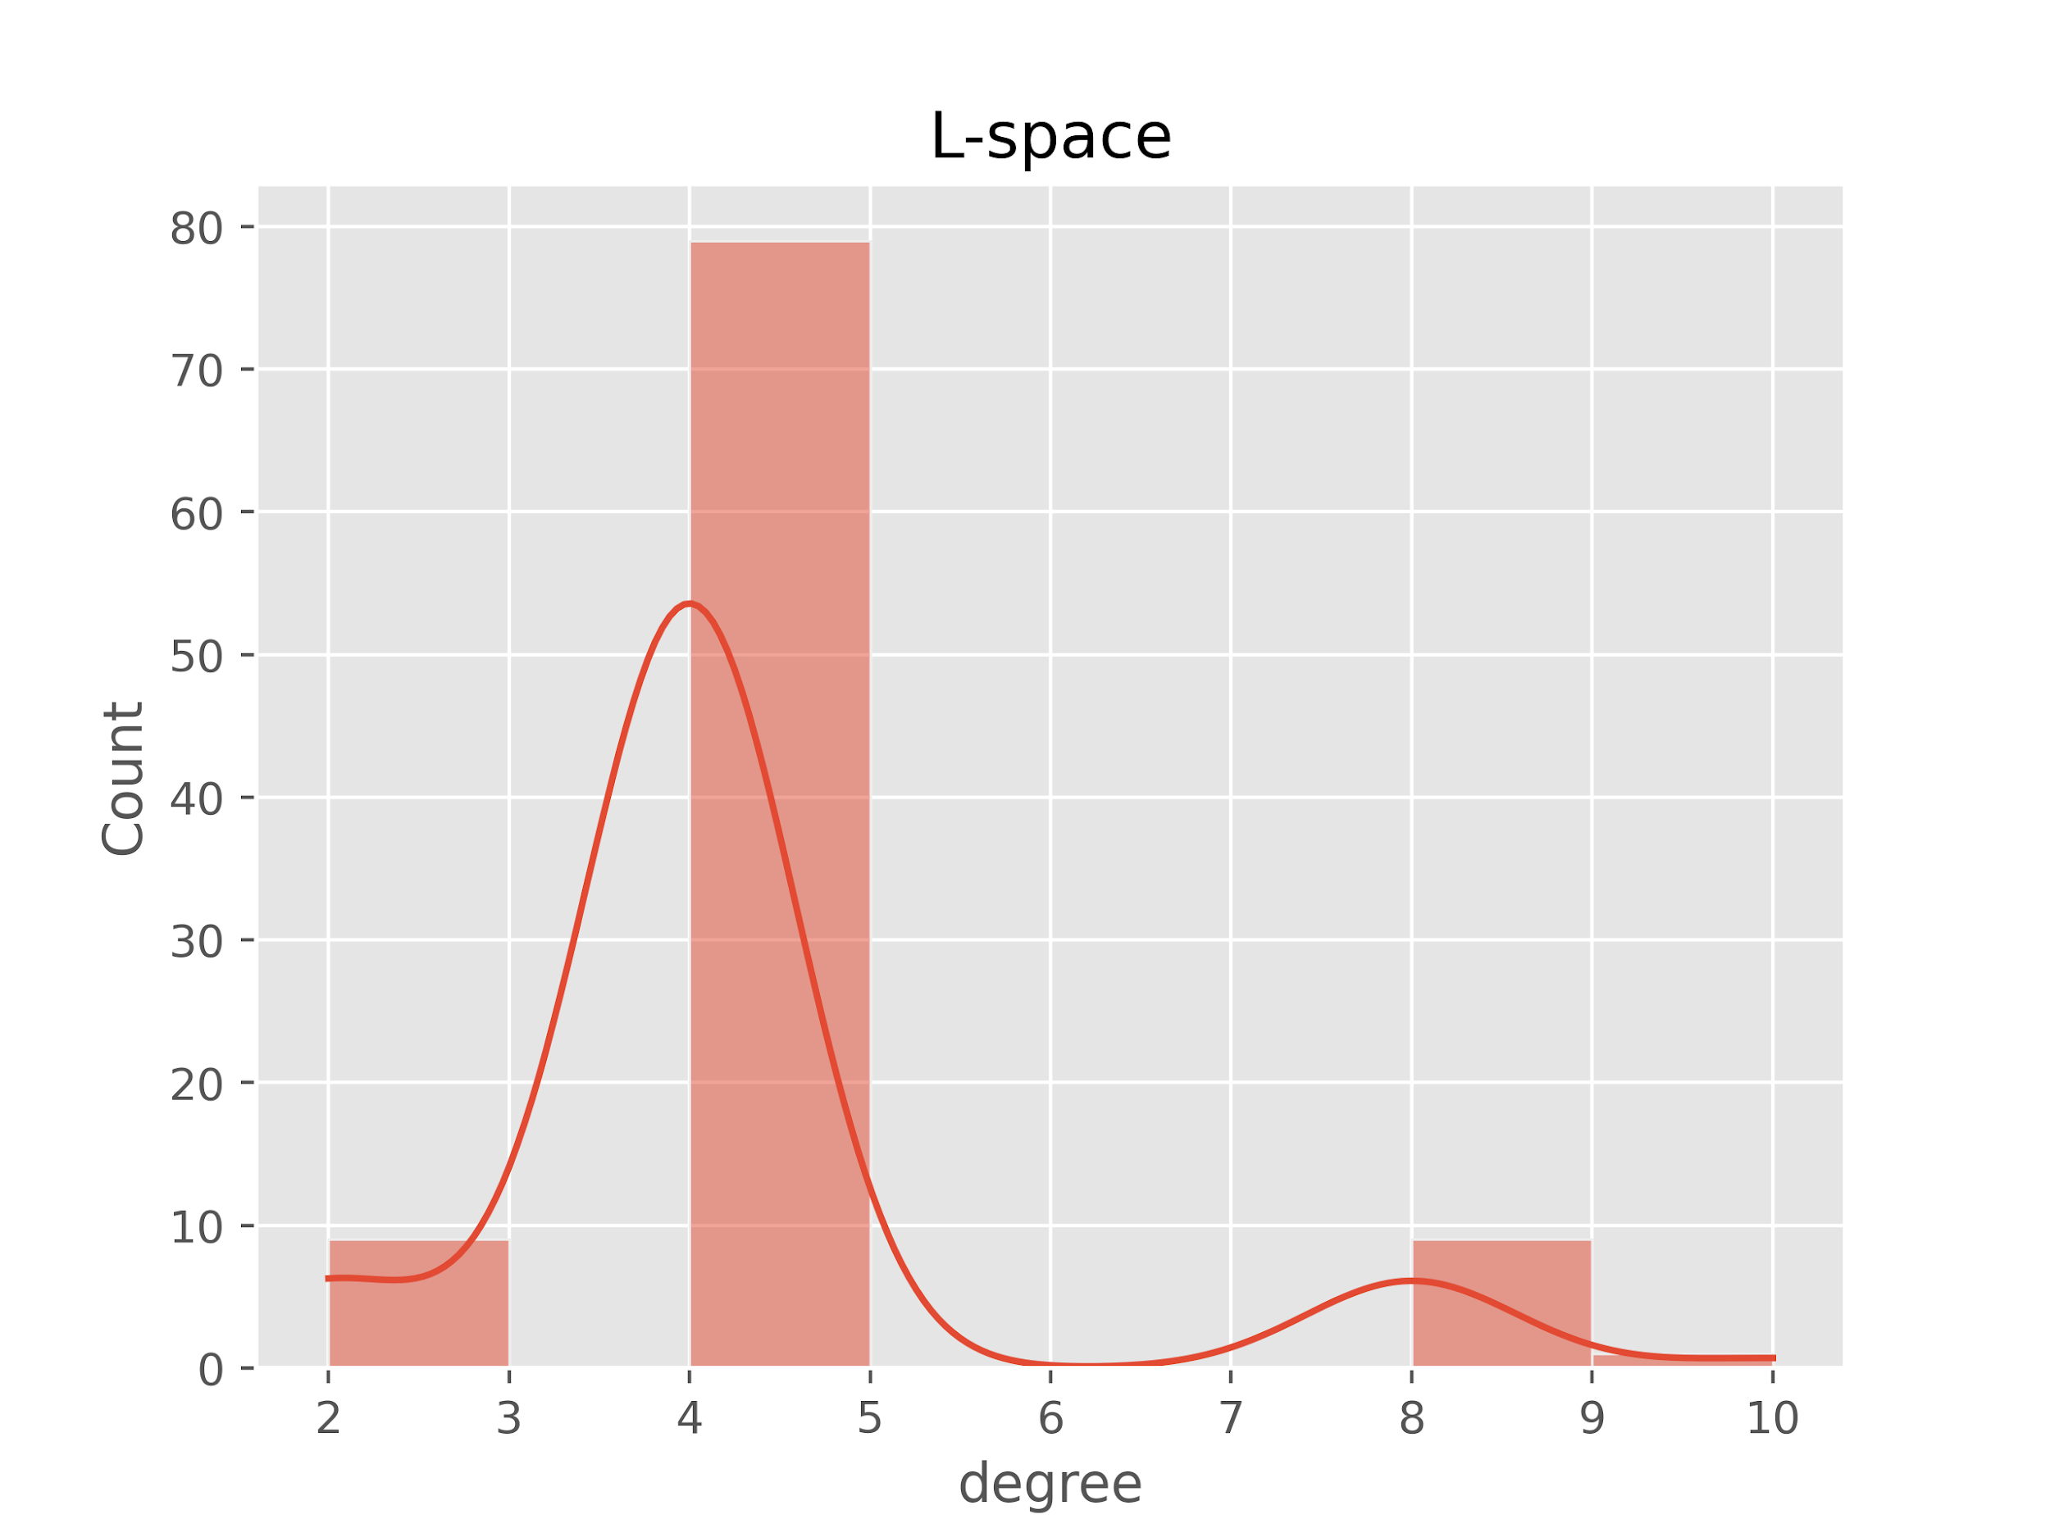
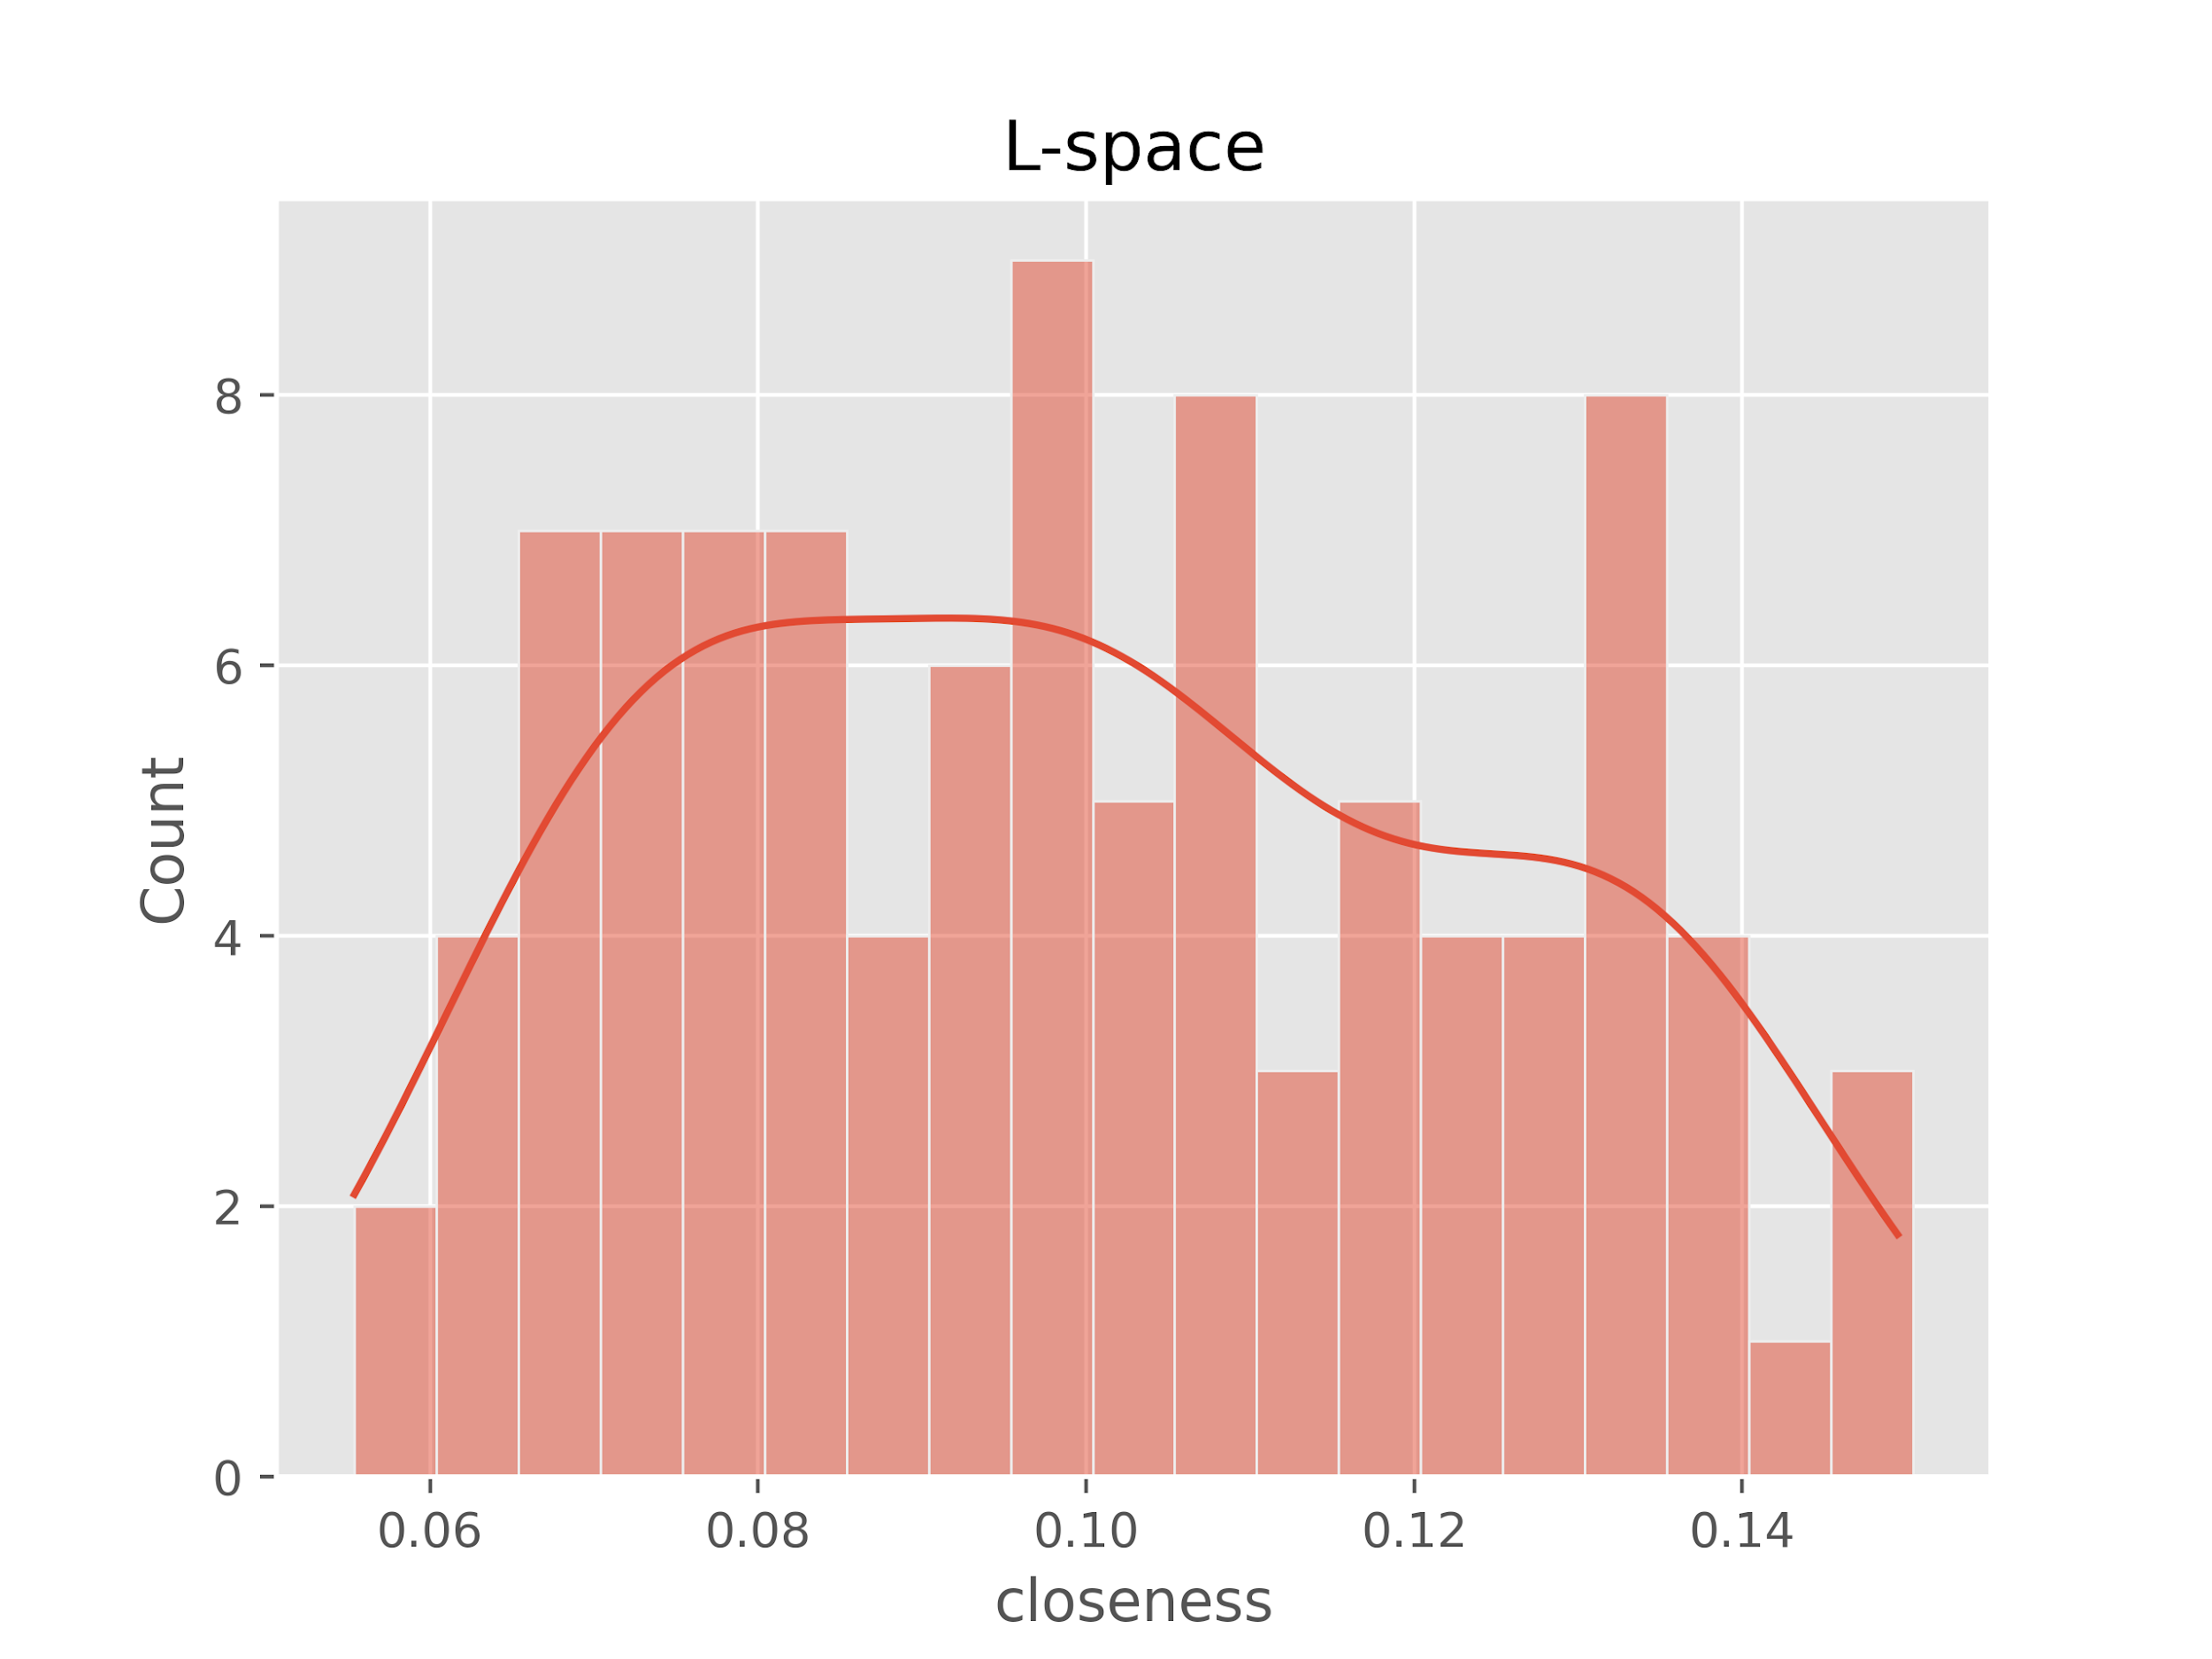
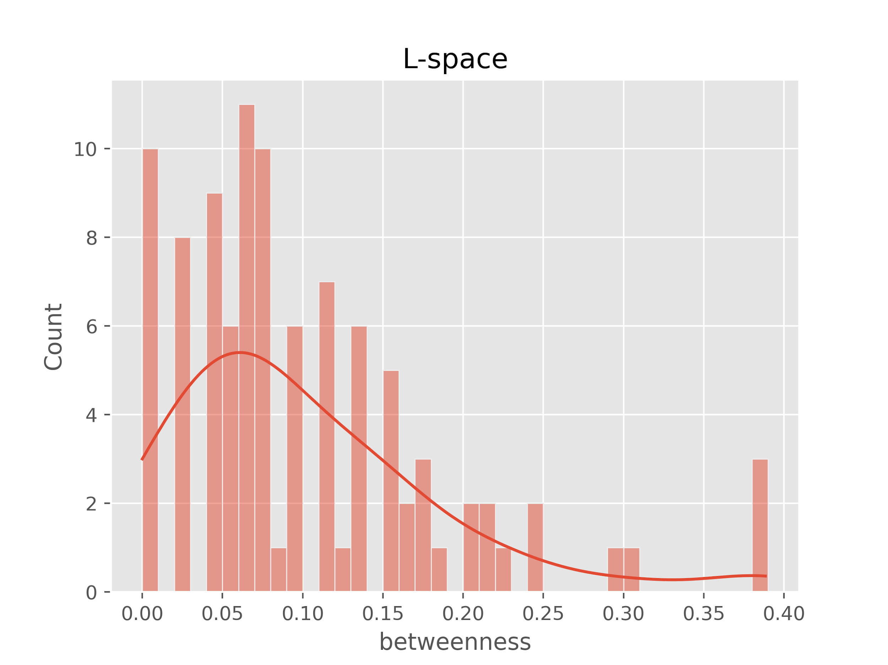
[]

L-Space indicators
Network indicators |  | Centrality indicators
Number of nodes | 98 |  | Degree | Closeness | Betweenness
Number of links | 208 | Average | 4.244898 | 0.099923 | 0.100735
Diameter | 43 min | Standard deviation | 1.471805 | 0.024927 | 0.084601
Average shortest path | 929.83 sec | Minimum value | 2 | 0.055397 | 0
Connectivity (γ) | 0.72 | Maximum value | 10 | 0.149461 | 0.388406
Meshedness (α) | 0.58 | #1 most central node (label and value) | 3636 - Karlsplatz - 10 | 3636 - Karlsplatz - 0.3884056414662084 | 648 - Schwedenplatz - 0.14946070878274267
 |  | #2 most central node (label and value) | 955 - Stephansplatz - 8 | 648 - Schwedenplatz - 0.38079896907216504 | 955 - Stephansplatz - 0.14854517611026033
 |  | #3 most central node (label and value) | 180 - Praterstern - 8 | 180 - Praterstern - 0.3803694158075601 | 3636 - Karlsplatz - 0.1460843373493976

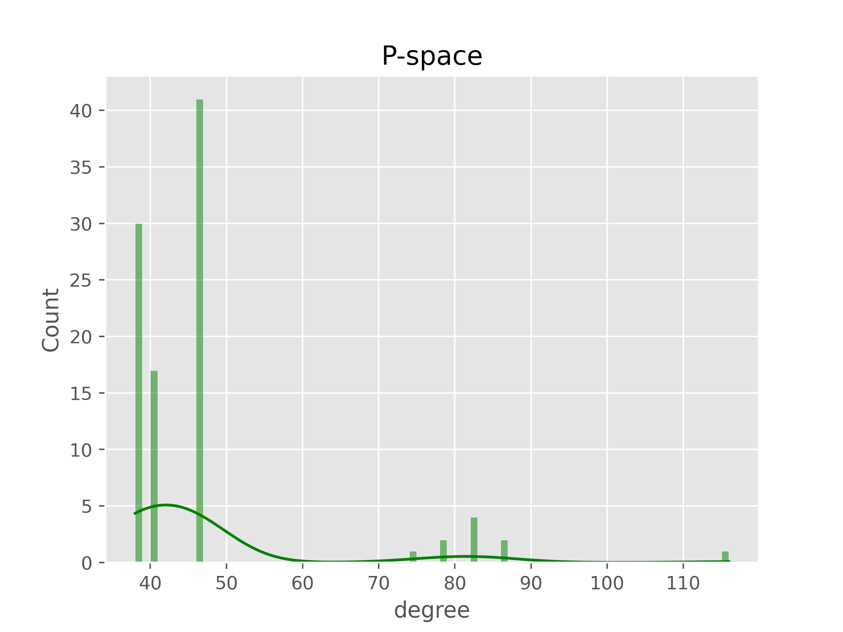
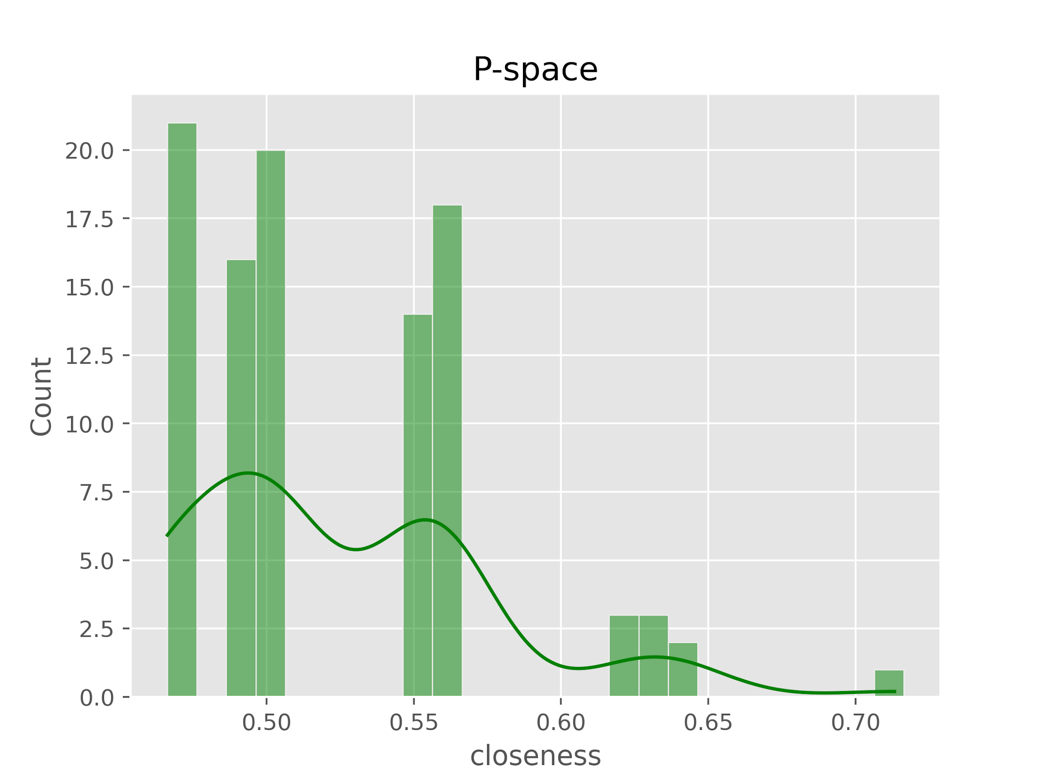
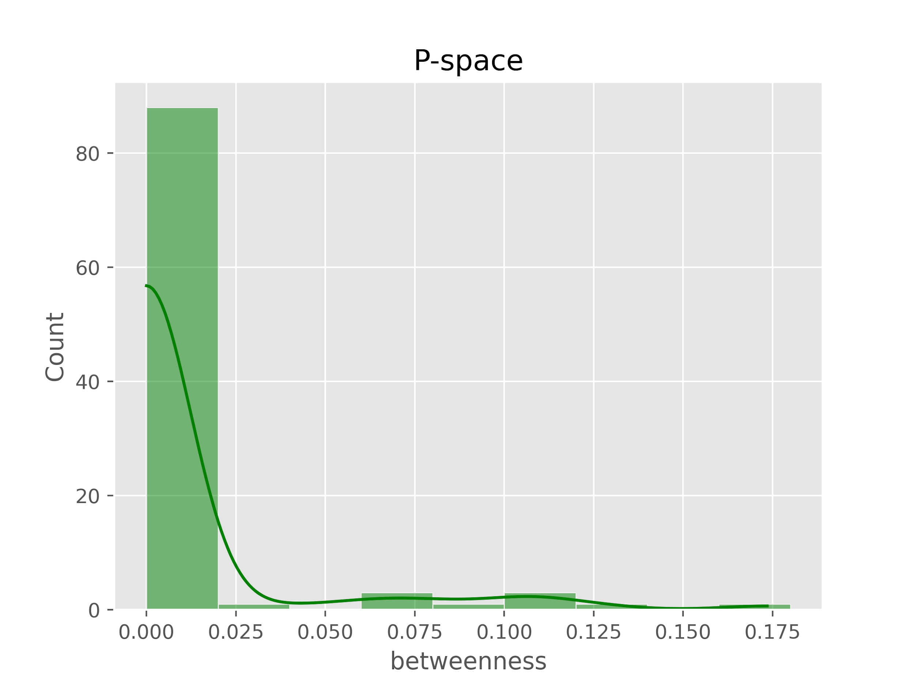
P-Space indicators
Network indicators |  | Centrality indicators
Number of nodes | 98 |  | Degree | Closeness | Betweenness
Number of links | 2276 | Average | 46.44898 | 0.524283 | 0.009625
Diameter | 4 #transfers | Standard deviation | 13.857985 | 0.051079 | 0.030957
Average shortest path | 1.92 | Minimum value | 38 | 0.466346 | 0
Connectivity (γ) | 7.9 | Maximum value | 116 | 0.713235 | 0.173522
Meshedness (α) | 11.41 | #1 most central node (label and value) | 3636 - Karlsplatz - 116 | 3636 - Karlsplatz - 0.1735216208476519 | 3636 - Karlsplatz - 0.7132352941176471
 |  | #2 most central node (label and value) | 1348 - Westbahnhof - 86 | 1348 - Westbahnhof - 0.12466709621993118 | 955 - Stephansplatz - 0.6423841059602649
 |  | #3 most central node (label and value) | 955 - Stephansplatz - 86 | 4055 - Längenfeldgasse - 0.10763351947308132 | 1348 - Westbahnhof - 0.6423841059602649

Circuity
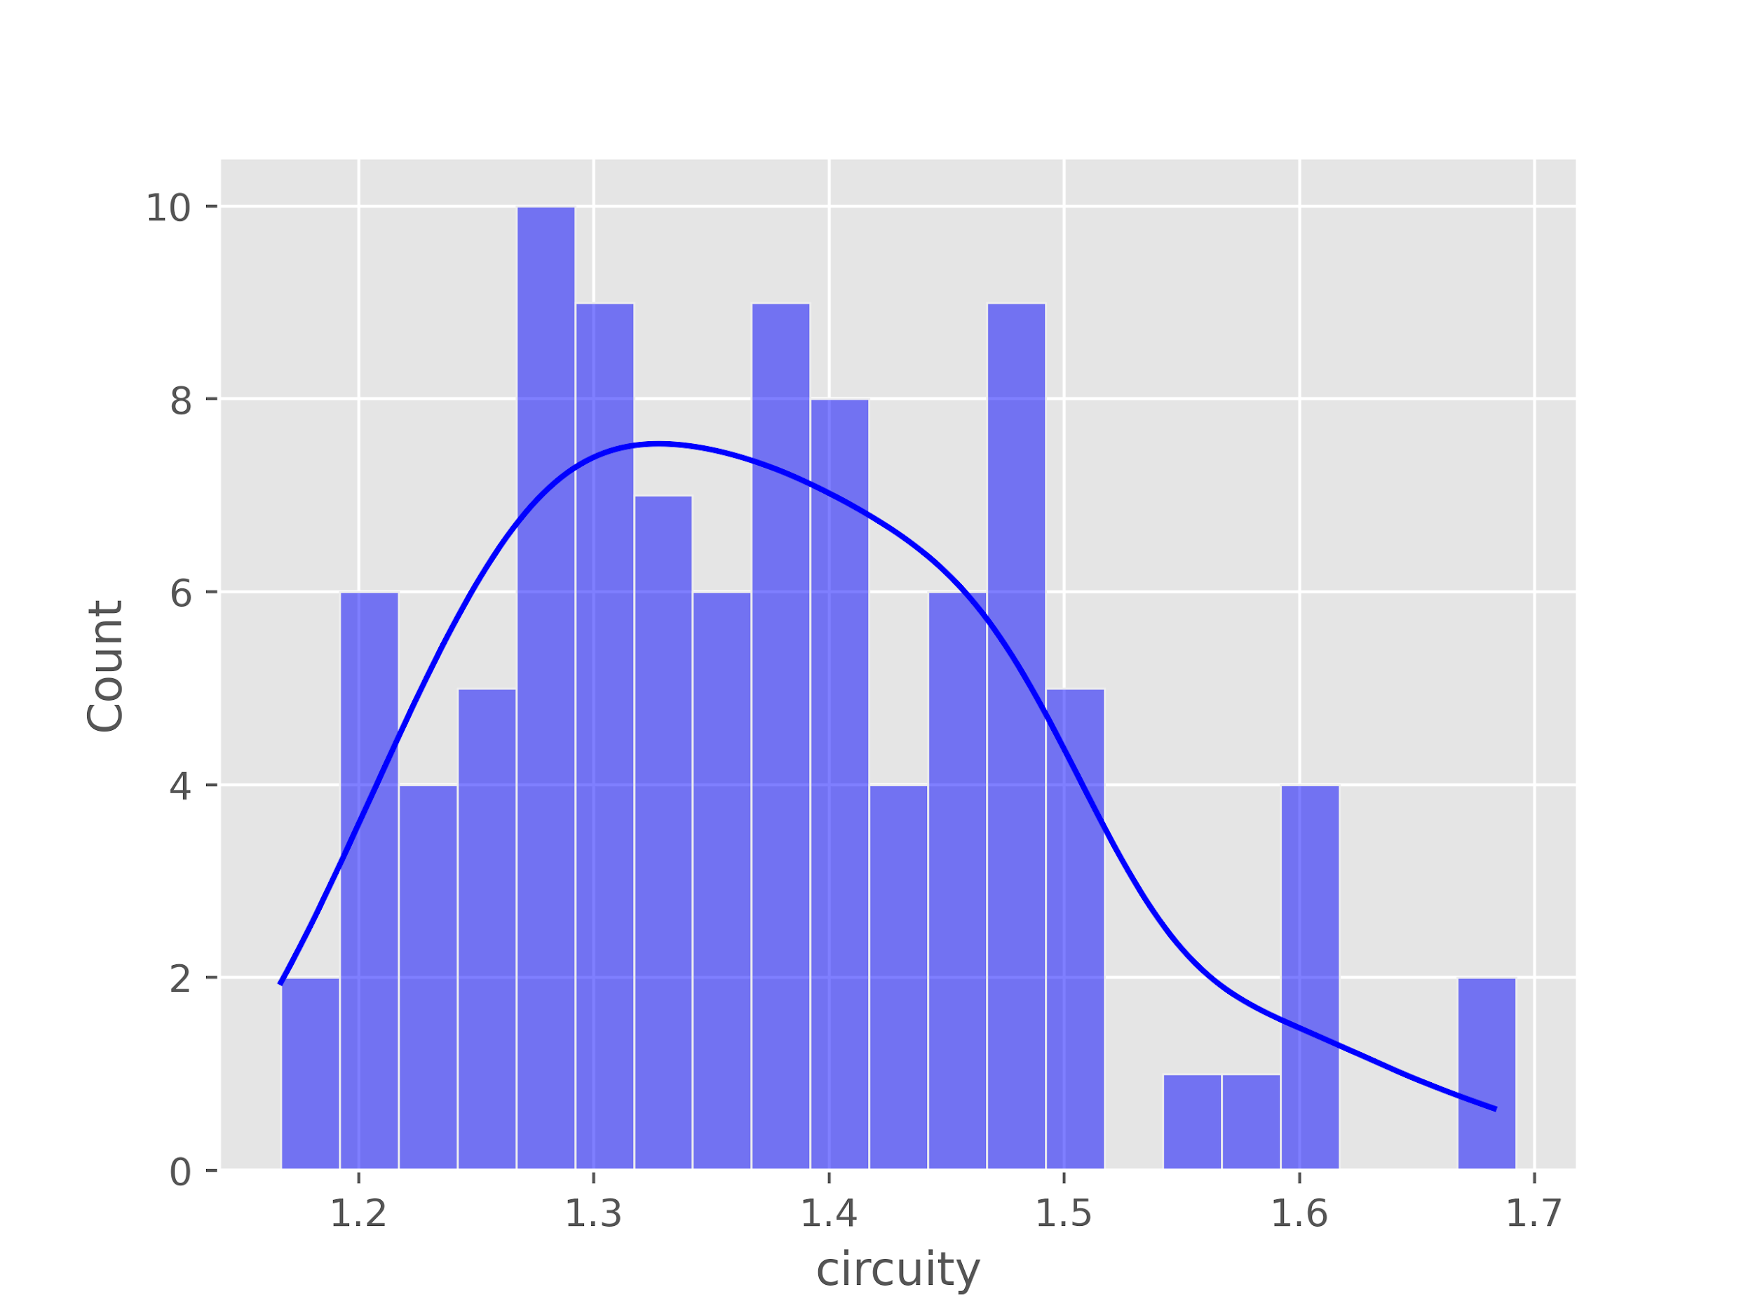
Average | 1.37334
Standard deviation | 0.114065
Minimum value | 1.16698
Maximum value | 1.68266
#1 most circuitious node (label and value) | 1803 - Neue Donau - 1.682660348730049
#2 most circuitious node (label and value) | 2649 - Floridsdorf - 1.6790675538648856
#3 most circuitious node (label and value) | 2907 - Enkplatz - 1.6092976810901423
#1 least circuitious node (label and value) | 648 - Schwedenplatz - 1.1669801953767938
#2 least circuitious node (label and value) | 4055 - Längenfeldgasse - 1.1845776395997973
#3 least circuitious node (label and value) | 955 - Stephansplatz - 1.20100798946576

